Overview
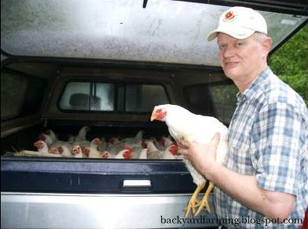
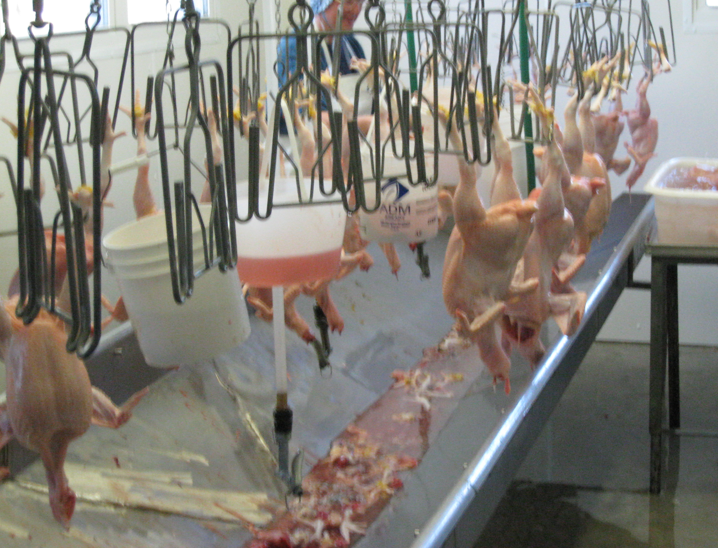
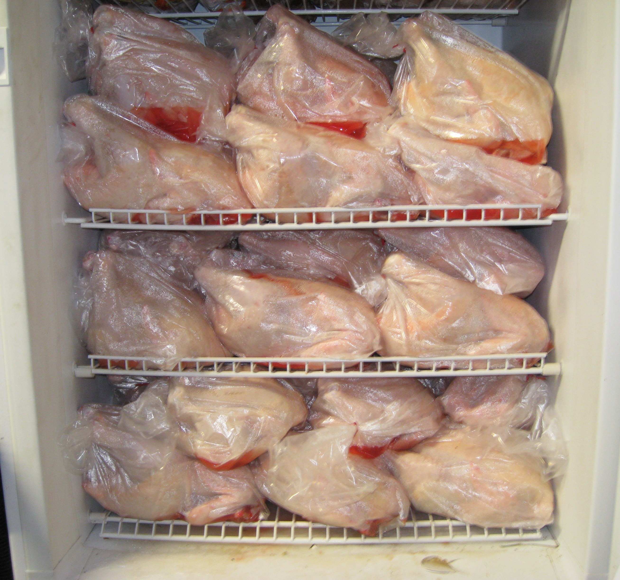
The Economics of Small-Scale Poultry Production
Dale Johnson, University of Maryland Extension
dmj@umd.edu

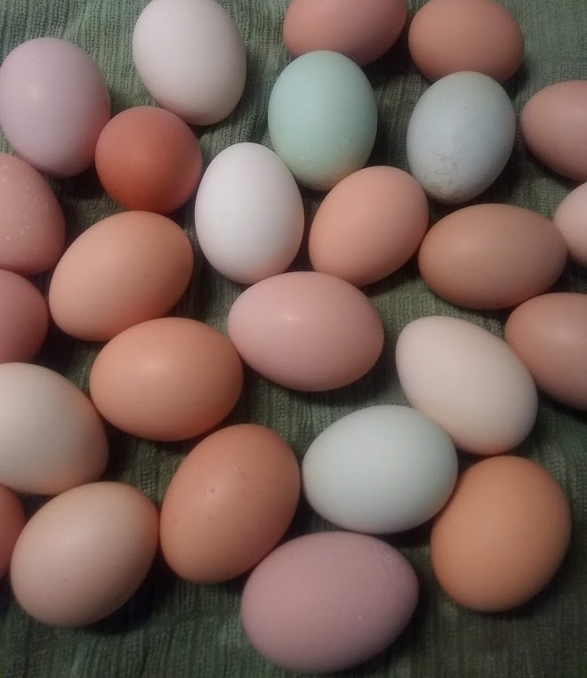
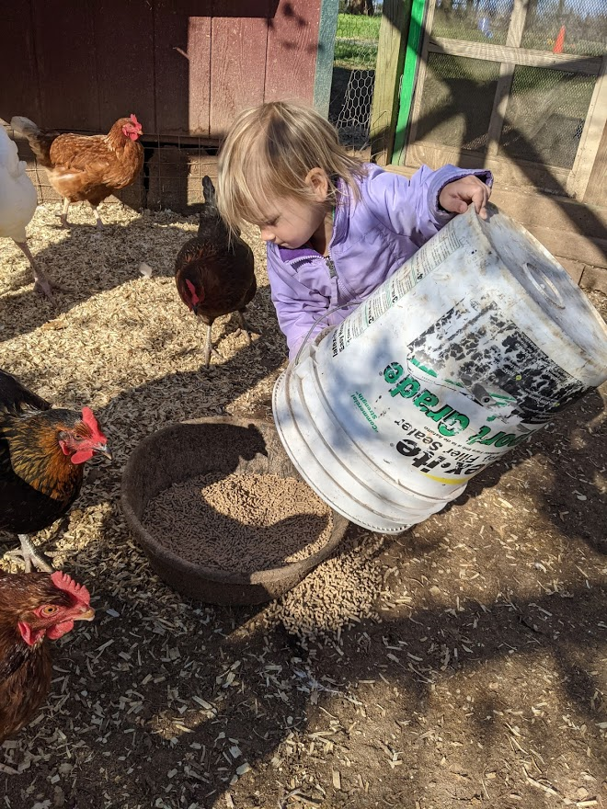
Enterprise budgets
An economic analysis of enterprises or profit centers - Where are you making your money and how much are you making?
An enterprise budget forces you to understand everything about your enterprise.
What are you producing and selling?
Who are your customers? HOW WILL YOU MARKET YOUR PRODUCT TO THEM?
What are the characteristics of your product?
How will you price your product?
How much product will you produce and sell? What is your scale of operation?
How will you produce your product? What is your production system?
What is your production time frame?
What are your production input quantities and prices?
Enterprise budgets can be a historical analysis or a forecast for the future.

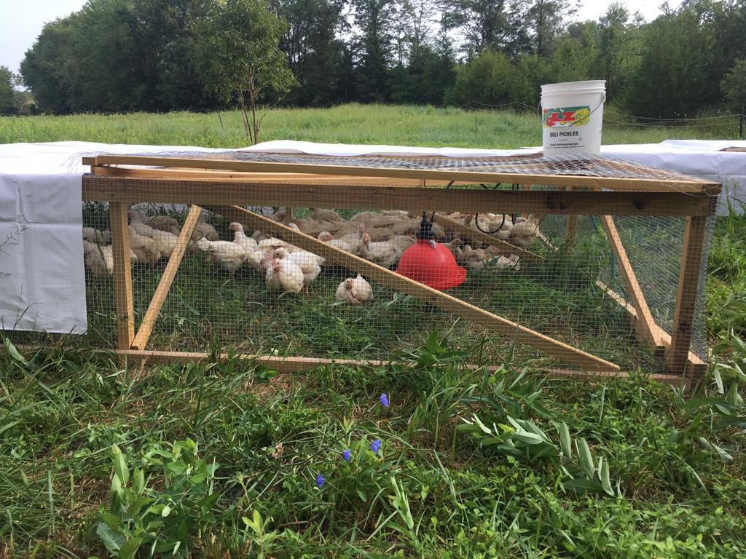
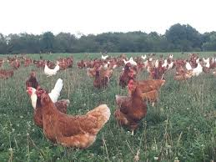

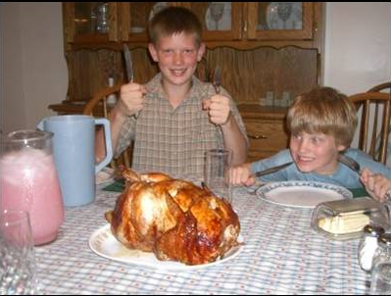

Layers
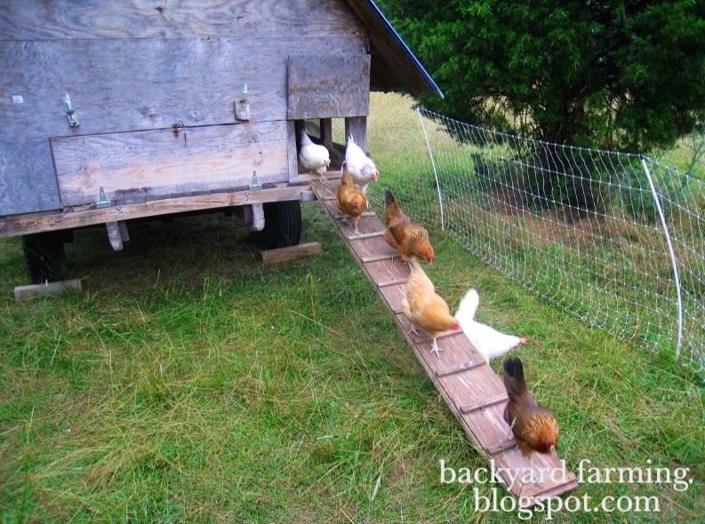
Layer Budget, 2 years production (1) | Number > | 100 | Mortality > | 5%
 | Laying days > | 550 | Yield > | 70%
Item | Unit | Amount | Price | Total
Income
Dozen eggs produced and sold (2) | Dozen | 3,208 | $6.00 | $19,250
Stewing hens |  | 95 | $12.00 | $1,140
Total income |  |  |  | $20,390
Cash expenses
Chicks (3) | per chick | 100 | $4.00 | $400
Feed
Chick starter (4) | 50 lb bag | 8 | $18.00 | $144
Early bird grower (4) | 50 lb. bag | 15 | $17.00 | $255
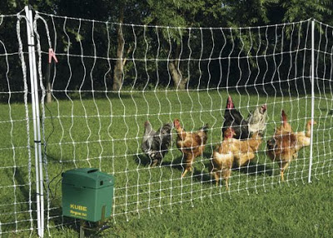
Layer feed (4) | 50 lb bag | 240 | $16.00 | $3,840
Bedding (5) | Bale | 10 | $6.00 | $60
Cartons | carton | 3,208 | $0.50 | $1,604
Mileage to slaughter facility (6) | miles | 40 | $0.75 | $30
Slaughter fee (7) | per bird | 95 | $5.00 | $475
Labor expenses (see other required resources below)
Fixed expenses (see other required resources below) |  |  |  | $500.00
Total expenses |  |  |  | $7,308
Total cash expense per dozen |  |  |  | $2.28
Income minus cash expenses for two years |  |  |  | $13,082
 |  |  | PRICES (8)
 | YIELDS (9) | $5.00 | $6.00 | $7.00
Income minus cash expenses listed | 2,888 | $8,269 | $11,157 | $14,044
above for various yields and prices | 3,208 | $9,874 | $13,082 | $16,290
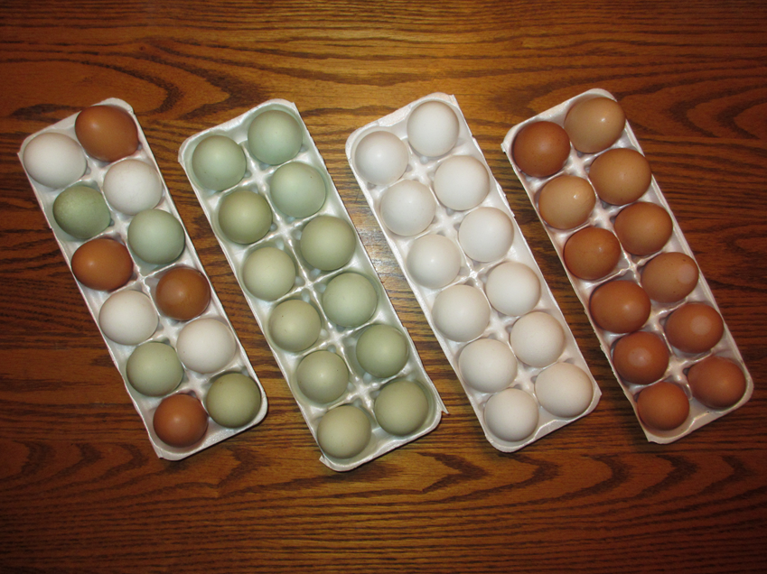
 | 3,529 | $11,478 | $15,007 | $18,536
Other required resources
Housing startup costs (8) |  |  |  | $2,000.00
Infrared heater for brooding |  |  |  | $200.00
Feeder & waterer startup costs (9) |  |  |  | $300.00
Labor hours (10) average per day > |  | 0.75 | 730 | 547.5
Income minus cash expenses per hour |  |  |  | $23.89
Assumptions
This budget was developed by Dale Johnson, University of Maryland Extension. It is based
on his personal experience and discussions with other small flock producers. Small Flock
production is highly variable. Good management is important for efficiency. Some producers
will be much less efficient than what is reflected in this budget. Others may be more efficient.
(1)This budget is based on a two year lifespan. Some producers keep hens 3-4 years but
egg production will diminish dramatically.
(2) Out of two years, 180 days are required for raising chicks and molting. Production is
calculated as 550 days x 100 hens x 70% yield sold. A 10% mortality over the life of the flock is factored
into the egg yield. This egg yield also assumes supplemental lighting in the winter.
Correct pricing is critical for profit maximization. Price will depend on demographic characteristics of customer
base and production system that customers want such as pastured, free range, all natural, organic, etc.
(3) Chick prices are variable among national mail order hatcheries, local hatcheries, and agricultural
supply stores. This budget is based on a good layer type breed.
(4) Bagged feed from reputable feed company. The feed conversion is 4 pounds of feed to
1 dozen eggs. The ratio assumes the layers have access to pasture where they get some nutrition.
(5) Used bedding has economic value as carbon & fertilizer source in compost.
(6) Some small flock producers prefer to have birds slaughtered by someone else. If this is
your desire, then make sure there is a facility within reasonable distance.
(7) 90 stewing hens based on 10% mortality over life of flock.
(8) Housing expenses are highly variable. This budget includes a chicken coop and poly
wire netting electric fence. Coop - $1,500 and fencing - $500 will last several years.
(9) Feeders and waterers at estimated cost of $300 will last several years.
(10) 30 minutes a day for feeding, watering, and collecting, washing, packaging eggs.
Do your own budget to calculate net income and costs

Broilers
Straight Run Cornish Cross Broiler Budget (1) | Number > | 100 | Mortality > | 10%
 | Carcas weight > | 5 | Days > | 56
Item | Unit | Quantity | Price | Total
Income
Broilers weight sold (2) | Pound | 450 | $3.50 | $1,575.00
Cash expenses
Chicks (3) | per chick | 100 | $4.00 | $400.00
Chick starter feed (4) | 50 lb bag | 5 | $18.00 | $90.00
Early bird grower (4) | 50 lb. bag | 7 | $17.00 | $119.00
Bird finisher feed (4) | 50 lb bag | 8 | $16.00 | $128.00
Bedding (5) | Bale | 2 | $6.00 | $12.00
Mileage to slaughter facility (6) | miles | 40 | $0.50 | $20.00
Slaughter fee (7) | per bird | 90 | $5.00 | $450.00
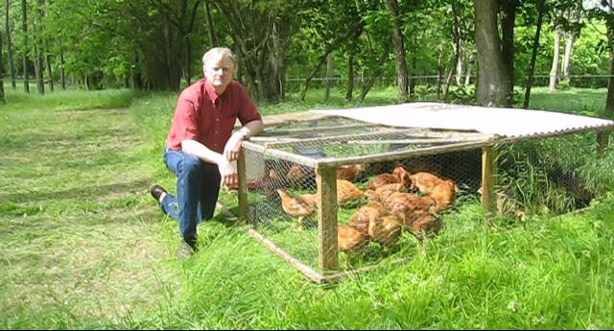
Labor expenses (see other required resources below)
Fixed expenses (see other required resources below)
Total expenses |  |  |  | $1,219.00
Total cash expense per pound |  |  |  | $2.71
Income minus cash expenses |  |  |  | $356.00
Income minus cash expense per pound |  |  |  | $0.79
 |  |  | PRICES (8)
 | YIELDS (9) | $3.00 | $3.50 | $4.00
Income minus cash expenses listed | 405 | $(4.00) | $198.50 | $401.00
above for various yields and prices | 450 | $131.00 | $356.00 | $581.00
 | 495 | $266.00 | $513.50 | $761.00
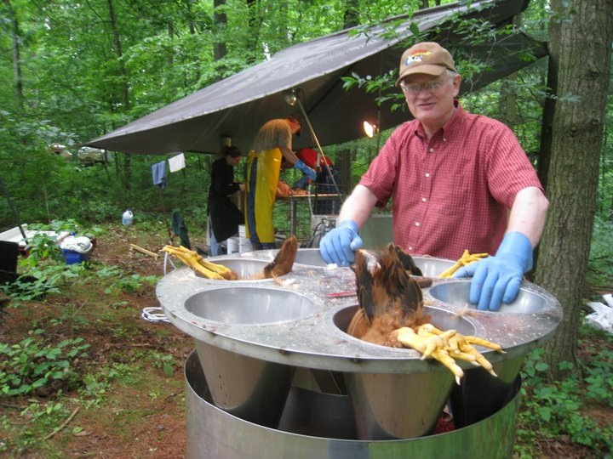
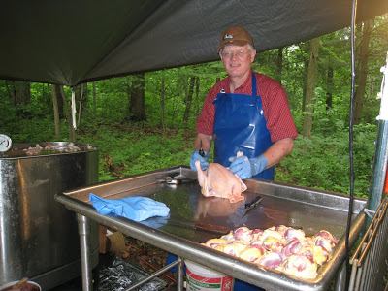
Other required resources
Housing startup costs (10) |  |  |  | $1,000.00
Infrared heater for brooding, |  |  |  | $200.00
Feeder & waterer start up costs (11) |  |  |  | $300.00
Labor hours (12) average per day |  | 0.5 | 56 | 28.00
Income minus cash expenses per hour |  |  |  | $12.71
Assumptions
This budget was developed by Dale Johnson, University of Maryland Extension. It is based
on his personal experience and in discussion with other small flock producers. Small flock
production is highly variable. Good management is important for efficiency. Some producers
will be much less efficient than what is reflected in this budget. Others will be more efficient.
(1) Many producers experience more than 10% mortality. Good management may reduce this.
(2) Assumes it takes 8 weeks to grow straight run birds to an average of 5 lbs. dressed weight.
Correct pricing is critical for profit maximization. Price will depend on demographic characteristics of customer
base and production system that customers want such as pastured, free range, all natural, organic, etc.
(3) Chick prices are variable. Local hatcheries often have cheapest chicks. Make sure quality
is good and that chicks are vaccinated for Mareks disease and Coccidiosis.
(4) Bagged feed from reputable feed company. Feed conversion is 2.2 pounds of feed to 1 pound
dressed weight with the birds in a pasture coop getting some nutrition from pasture.
(5) Used bedding has economic value as carbon & fertilizer source in compost.
(6) Some small flock producers prefer to have birds custom slaughtered. If this is your desire,
then make sure there is a facility within reasonable distance.
(7) Whole birds bagged in vacuum bags.
(8) Market prices depend on type of market, customers, and promotional efforts.
(9) In this table, yield variabilty depends on management, not the amount of purchased feed.
(10) Housing expenses are highly variable. This budget includes 2 pasture coops which cost
$500 to build and will last several years and many flocks. Cost per flock are small.
(11) Feeders and waterers estimated cost of $100 will last several years and many flocks.
In this budget, housing and equipment costs are not included in the cost calculations.
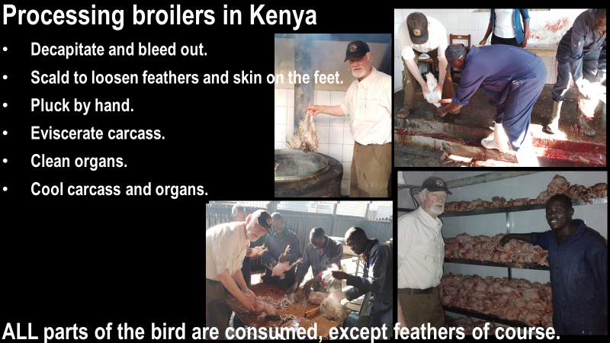
It is difficult to estimate how many flocks they will last. These costs per flock are small.
(12) Half hour a day includes moving pasture coops, feeding, and watering.
Labor expense could be added as an expense line item. In this budget we calculate
the return to labor.
Do your own budget to calculate net income and costs

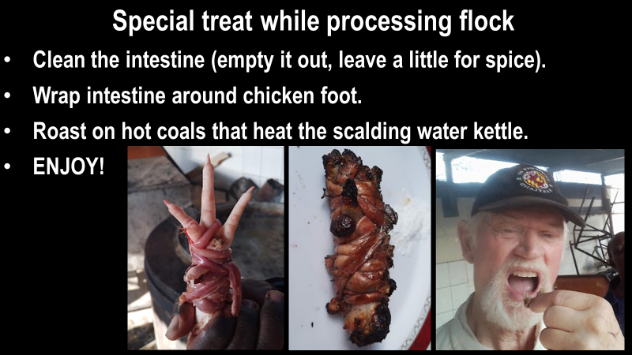

Turkeys
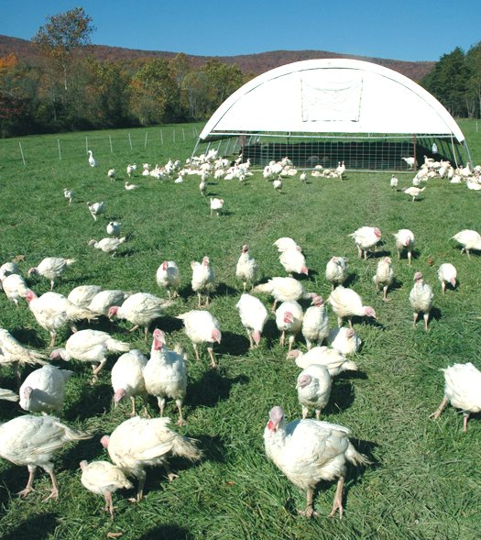
Holiday turkeys, toms, white broad breasted (1) | Number > | 20 | Mortality > | 5%
 | Carcas weight > | 20 | Days > | 56
Item | Unit | Quantity | Price | Total
Income
Turkey weight sold | Pound | 380 | $4.00 | $1,520.00
Cash expenses
Poults (3) | per poult | 20 | $10.00 | $200.00
Starter feed (4) | 50 lb bag | 5 | $18.00 | $90.00
Bird finisher feed (4) | 50 lb bag | 20 | $17.00 | $340.00
Bedding (5) | Bale | 2 | $16.00 | $32.00
Mileage to slaughter facility (6) | miles | 40 | $0.50 | $20.00
Slaughter fee (7) | per bird | 19 | $8.00 | $152.00
Labor expenses (see other required resources below)
Fixed expenses (see other required resources below)
Total expenses |  |  |  | $834.00
Total cash expense per pound |  |  |  | $2.19
Income minus cash expenses |  |  |  | $686.00
Income minus cash expense per pound |  |  |  | $1.81
 |  |  | PRICES (8)
 | YIELDS (9) | $3.50 | $4.00 | $4.50
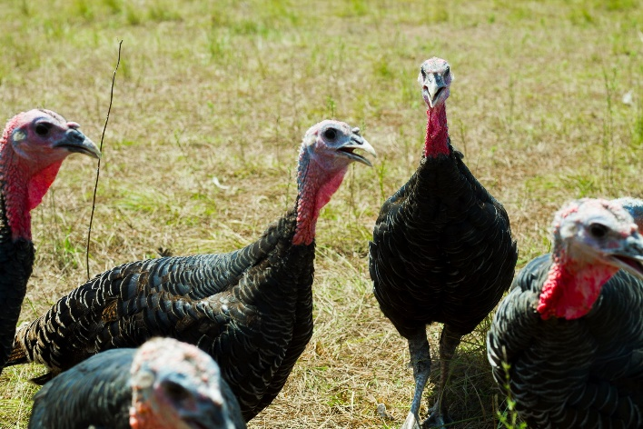
Net income over cash expenses listed | 342 | $363.00 | $534.00 | $705.00
above for various yields and prices | 380 | $496.00 | $686.00 | $876.00
 | 418 | $629.00 | $838.00 | $1,047.00
Other required resources
Housing startup costs (10) |  |  |  | $1,500.00
Infrared heater for brooding, |  |  |  | $200.00
Feeder & waterer start up costs (11) |  |  |  | $300.00
Labor hours (12) average per day |  | 0.5 | 56 | 28.00
Income minus cash expenses per hour |  |  |  | $24.50
Assumptions
This budget was developed by Dale Johnson, University of Maryland Extension. It is based
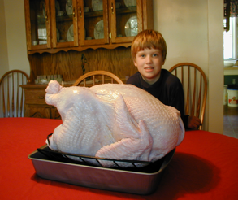
on his personal experience and in discussion with other small flock producers. Small flock
production is highly variable. Good management is important for efficiency. Some producers
will be much less efficient than what is reflected in this budget. Others will be more efficient.
(1) Many producers experience more than 10% mortality. Good management may reduce this.
(2) Assumes it takes 20 weeks to grow toms to an average of 27 lbs.x0.75=20 lbs. dressed weight.
Correct pricing is critical for profit maximization. Price will depend on demographic characteristics of customer
base and production system that customers want such as pastured, free range, all natural, organic, etc.
(3) Poult prices are variable. Local hatcheries often have cheapest poults. Make sure quality is good.
(4) Bagged feed from reputable feed company. About 60 lbs of feed per bird. 3.0 feed conversion ratio.
Feed costs can be reduced by buying bulk feed. Birds on intensive pasture system will get some nutrition from pasture.
(5) Used bedding has economic value as carbon & fertilizer source in compost.
(6) Some small flock producers prefer to have birds custom slaughtered. If this is your desire,
then make sure there is a facility within reasonable distance.
(7) Whole birds bagged in vacuum bags.
(8) Market prices depend on type of market, customers, and promotional efforts.
(9) In this table, yield variabilty depends on management, not the amount of purchased feed.
(10) Housing expenses are highly variable. This budget includes a chicken coop and poly
wire netting electric fence. Coop - $1,000 and fencing - $500 will last several years.
(11) Feeders and waterers estimated cost of $100 will last several years and many flocks.
In this budget, housing and equipment costs are not included in the cost calculations.
It is difficult to estimate how many flocks they will last. These costs per flock are small.
(12) 15 minutes per day includes moving pasture coops, feeding, and watering.
Labor expense could be added as an expense line item. In this budget we calculate
the return to labor.
Do your own budget to calculate net income and costs

